ShieldsChart
Id | PaperX | PaperY | Log10 R star | Log10 T star | R Star | T Star | Larger
0 | 10016.52792980000 | 30582.91956940000 | 0.00165279298 | -0.94170804306 | 1.0038129473 | 0.11436468996
0 | 10544.48265140000 | 30076.08303660000 | 0.05444826514 | -0.99239169634 | 1.1335697948 | 0.10176731202 | FALSE
0 | 11185.06771360000 | 29456.61616330000 | 0.11850677136 | -1.0543383837 | 1.313731978 | 0.088239211034 | FALSE
0 | 11628.54967980000 | 29020.17359340000 | 0.16285496798 | -1.0979826407 | 1.4549731133 | 0.079802658484 | FALSE
0 | 12135.38621250000 | 28569.65223100000 | 0.21353862125 | -1.1430347769 | 1.6350785501 | 0.071939136916 | FALSE
0 | 12895.64101160000 | 27936.10656500000 | 0.28956410116 | -1.2063893435 | 1.9478885339 | 0.062174264512 | FALSE
0 | 13430.63512950000 | 27527.82158030000 | 0.34306351295 | -1.247217842 | 2.2032486513 | 0.056595533482 | FALSE
0 | 13937.47166230000 | 27175.85176590000 | 0.39374716623 | -1.2824148234 | 2.4759801934 | 0.052189745204 | FALSE
0 | 14500.62336530000 | 26816.84255520000 | 0.45006233653 | -1.3183157445 | 2.8187874974 | 0.048048989157 | FALSE
0 | 15049.69627580000 | 26500.06972220000 | 0.50496962758 | -1.3499930278 | 3.1986714025 | 0.044669076332 | FALSE
0 | 15542.45401600000 | 26225.53326700000 | 0.5542454016 | -1.3774466733 | 3.5829883956 | 0.041932748244 | FALSE
0 | 16133.76330420000 | 25929.87862290000 | 0.61337633042 | -1.4070121377 | 4.1055971235 | 0.039173092882 | FALSE
0 | 16781.38776270000 | 25655.34216770000 | 0.67813877627 | -1.4344657832 | 4.7658325188 | 0.036773436493 | FALSE
0 | 17253.02731400000 | 25458.23907160000 | 0.7253027314 | -1.4541760928 | 5.312546341 | 0.035141792265 | FALSE
0 | 17851.37599850000 | 25275.21476810000 | 0.78513759985 | -1.4724785232 | 6.0973005068 | 0.033691587655 | FALSE
0 | 18421.56709790000 | 25120.34804980000 | 0.84215670979 | -1.487965195 | 6.9527515377 | 0.032511335139 | FALSE
0 | 19090.30974520000 | 25014.75710540000 | 0.90903097452 | -1.4985242895 | 8.1101889885 | 0.031730411953 | FALSE
0 | 19695.69782600000 | 24986.59952030000 | 0.9695697826 | -1.501340048 | 9.3233026548 | 0.031525352551 | FALSE
0 | 20385.55866230000 | 24972.52072770000 | 1.0385558662 | -1.5027479272 | 10.928381973 | 0.031423320339 | FALSE
0 | 21230.28621680000 | 24993.63891660000 | 1.1230286217 | -1.5006361083 | 13.27481941 | 0.031576492828 | TRUE
0 | 21723.04395700000 | 25021.79650170000 | 1.1723043957 | -1.4978203498 | 14.869774952 | 0.031781884876 | TRUE
0 | 22574.81090790000 | 25113.30865350000 | 1.2574810908 | -1.4886691347 | 18.091771368 | 0.032458680822 | TRUE
0 | 23335.06570700000 | 25176.66322010000 | 1.3335065707 | -1.482333678 | 21.552942521 | 0.032935656306 | TRUE
0 | 23933.41439150000 | 25275.21476810000 | 1.3933414391 | -1.4724785232 | 24.736681606 | 0.033691587655 | TRUE
0 | 24573.99945370000 | 25352.64812730000 | 1.4573999454 | -1.4647351873 | 28.668168299 | 0.034297685426 | TRUE
0 | 25200.50572340000 | 25458.23907160000 | 1.5200505723 | -1.4541760928 | 33.116968299 | 0.035141792265 | TRUE
0 | 25890.36655960000 | 25563.83001590000 | 1.589036656 | -1.4436169984 | 38.818312861 | 0.036006673578 | TRUE
0 | 26636.54256620000 | 25697.57854540000 | 1.6636542566 | -1.4302421455 | 46.095046415 | 0.037132813346 | TRUE
0 | 27417.91555410000 | 25845.40586740000 | 1.7417915554 | -1.4154594133 | 55.1812527 | 0.03841851613 | TRUE
0 | 28114.81578670000 | 25972.11500060000 | 1.8114815787 | -1.4027884999 | 64.786061459 | 0.039555920927 | TRUE
0 | 28727.24326370000 | 26091.78473750000 | 1.8727243264 | -1.3908215263 | 74.597509146 | 0.040661039178 | TRUE
0 | 29431.18289260000 | 26225.53326700000 | 1.9431182893 | -1.3774466733 | 87.723972334 | 0.041932748244 | TRUE
0 | 30388.54078780000 | 26422.63636310000 | 2.0388540788 | -1.3577363637 | 109.3588863 | 0.043879698648 | TRUE
0 | 31662.67151590000 | 26690.13342200000 | 2.1662671516 | -1.3309866578 | 146.64496343 | 0.046667371703 | TRUE
0 | 32634.10820370000 | 26894.27591440000 | 2.2634108204 | -1.3105724086 | 183.40485182 | 0.04891337066 | TRUE
0 | 33605.54489150000 | 27098.41840670000 | 2.3605544892 | -1.2901581593 | 229.37944054 | 0.051267464654 | TRUE
0 | 34415.07546460000 | 27253.28512510000 | 2.4415075465 | -1.2746714875 | 276.38059437 | 0.053128617201 | TRUE
0 | 35210.52724520000 | 27372.95486200000 | 2.5210527245 | -1.2627045138 | 331.93475288 | 0.054612931133 | TRUE
0 | 35956.70325170000 | 27478.54580630000 | 2.5956703252 | -1.2521454194 | 394.15798144 | 0.055957020337 | TRUE
0 | 36794.39141000000 | 27541.90037290000 | 2.679439141 | -1.2458099627 | 478.01237613 | 0.056779300423 | TRUE
0 | 37646.15836090000 | 27577.09735430000 | 2.7646158361 | -1.2422902646 | 581.58853434 | 0.057241332558 | TRUE
0 | 38716.14659670000 | 27577.09735430000 | 2.8716146597 | -1.2422902646 | 744.071482 | 0.057241332558 | FALSE
0 | 41461.51114910000 | 27577.09735430000 | 3.1461511149 | -1.2422902646 | 1400.0744006 | 0.057241332558 | FALSE
0 | 47198.61912390000 | 27591.17614690000 | 3.7198619124 | -1.2408823853 | 5246.406198 | 0.057427196424 | TRUE
0 | 50873.18398640000 | 27598.21554320000 | 4.0873183986 | -1.2401784457 | 12226.957388 | 0.057520354548 | TRUE
0 | 60003.62398760000 | 27602.56904820000 | 5.0003623988 | -1.2397430952 | 100083.48022 | 0.057578043678 | TRUE
 |  |  | 100 | -1.2397430952 | 1E+100 | 0.057578043678 | FALSE

Paper Coordinates obtained from Scan of Figure 5 in Pemberton and Lara, 1984, rectified at the (0.001, 0.01) and (100000, 0.1) points
Such that log10 x = (Xpaper - 10000) / 10000
and log10 y = (Ypaper - 10000)/10000 - 3
Where y equals Tstart = Tc / [(Gamma s - Gamma w) D]
and x = R star = U star * D / nu

The scan of the graph shown below:

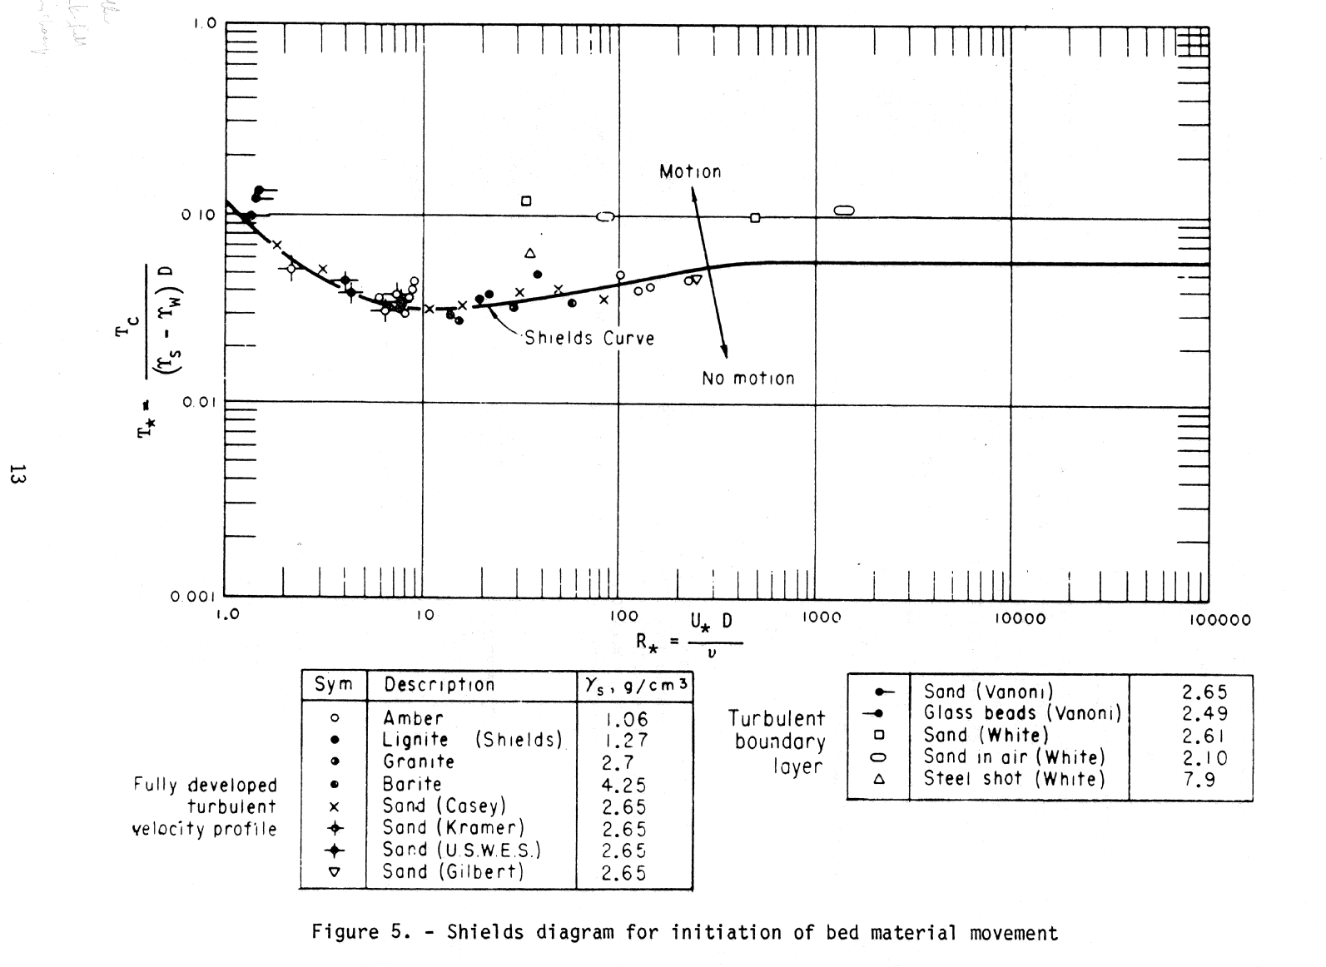

USBREnvelopeChart
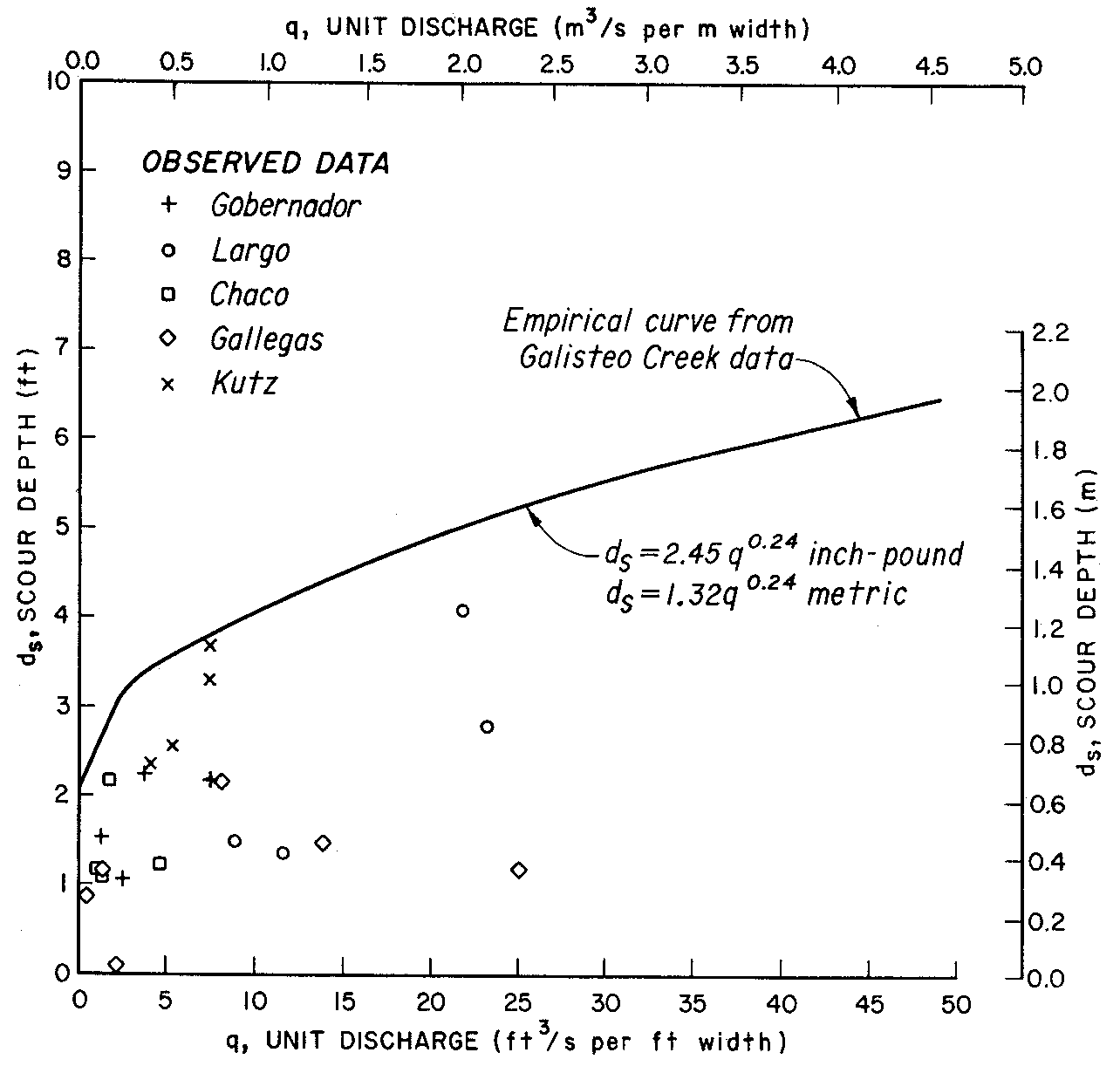

LanesTractiveForceTable
Id | PaperX | PaperY | D50mm | Critical Trac Frc g per sq meter | Critical Trac Force psf | Log10 D50mm | Log10 Critical Tractive Force psf
1 | 10000.00000000000 | 15424.42515240000 | 0.10000000000 | 121.58640858615 | 0.024902878043 | -1 | -1.6037504583
2 | 10463.64254940000 | 15446.49289120000 | 0.12380224207 | 122.82833879912 | 0.025157245591 | -0.90727149012 | -1.5993369105
3 | 10940.85740170000 | 15474.07756470000 | 0.15423093106 | 124.39860577780 | 0.02547886186 | -0.81182851966 | -1.5938199758
4 | 11448.41539480000 | 15509.93764030000 | 0.19484222438 | 126.47000276697 | 0.025903117722 | -0.71031692104 | -1.5866479607
5 | 11991.83346360000 | 15559.59005270000 | 0.25024573978 | 129.39515362445 | 0.026502236291 | -0.60163330728 | -1.5767174782
...
26 | 17701.86088660000 | 18279.43886380000 | 3.47034120871 | 452.78056050584 | 0.092736838021 | 0.54037217732 | -1.032747716
27 | 17864.61046050000 | 18442.18843770000 | 3.74043482754 | 488.02007522980 | 0.099954464956 | 0.5729220921 | -1.0001978012
28 | 18021.84309960000 | 18604.93801160000 | 4.02131987115 | 526.00225054102 | 0.10773383348 | 0.60436861992 | -0.96764788644
29 | 18187.35114090000 | 18795.27225910000 | 4.33980512328 | 574.18844941287 | 0.11760315232 | 0.63747022818 | -0.92958103694
30 | 18352.85918210000 | 18999.39884330000 | 4.68351414726 | 630.78269260141 | 0.12919457568 | 0.67057183642 | -0.8887557201
31 | 18507.33335400000 | 19192.49155810000 | 5.02882671484 | 689.44291286082 | 0.14120914481 | 0.7014666708 | -0.85013717714

Tractive Force vs. transportable sediment size (after Lane, 1952, from Figure 4 in Pemberton and Lara, 1984)
The curve "recommended values for canals with clear water" was used.

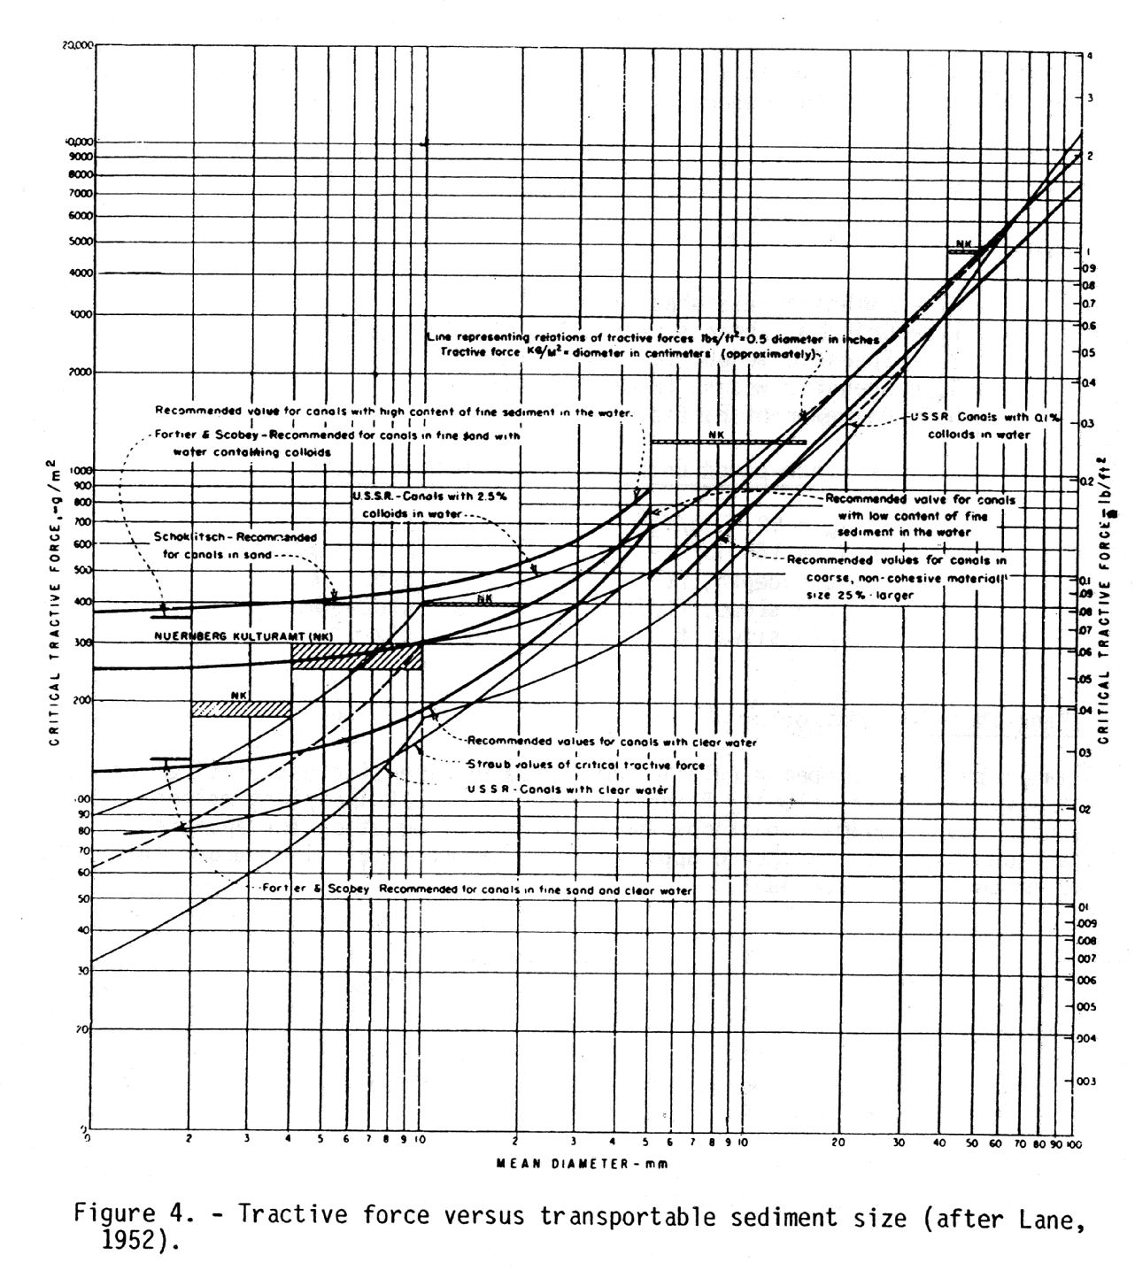

BlenchZeroBedTable
...
d50mm | Fb0ft2persec | log10d50 | log10Fb0
0.24384 | 0.97305384667 | -0.61289505034 | -0.011863126159
0.3048 | 1.1312717218 | -0.51598503733 | 0.053566931271
0.51908561567 | 1.5 | -0.28476100564 | 0.17609125906
0.9144 | 1.7717606745 | -0.038863782613 | 0.24840505799
1.524 | 2.0078265361 | 0.182984967 | 0.30272618971
3.048 | 2.4376705559 | 0.48401496267 | 0.3869750116
9.144 | 3.2154759639 | 0.96113621739 | 0.50724526752
121.92 | 6.0546526416 | 2.086074954 | 0.7820892325
1169.8002162 | 10 | 3.0681116973 | 1

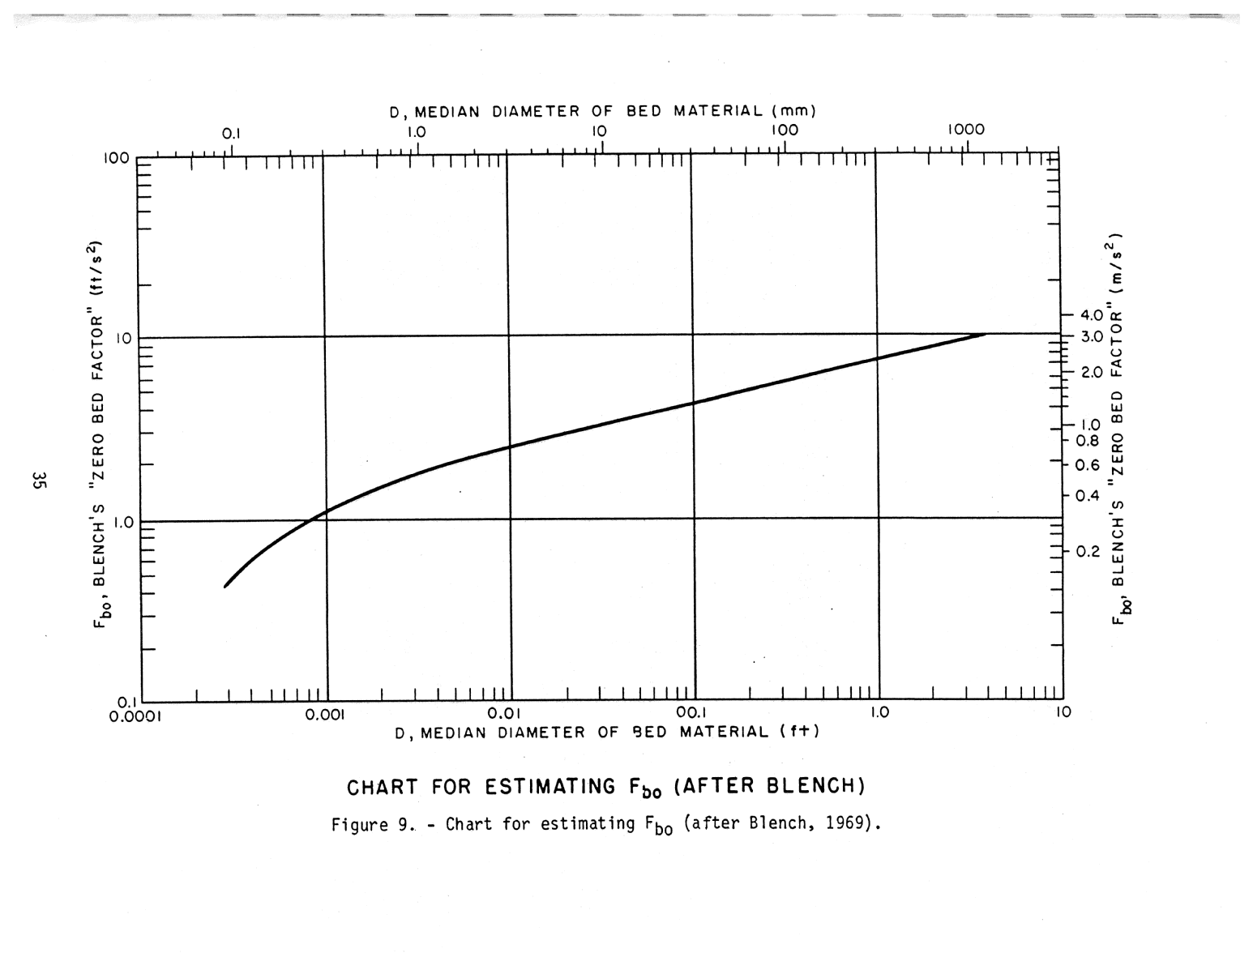

USACENomograph
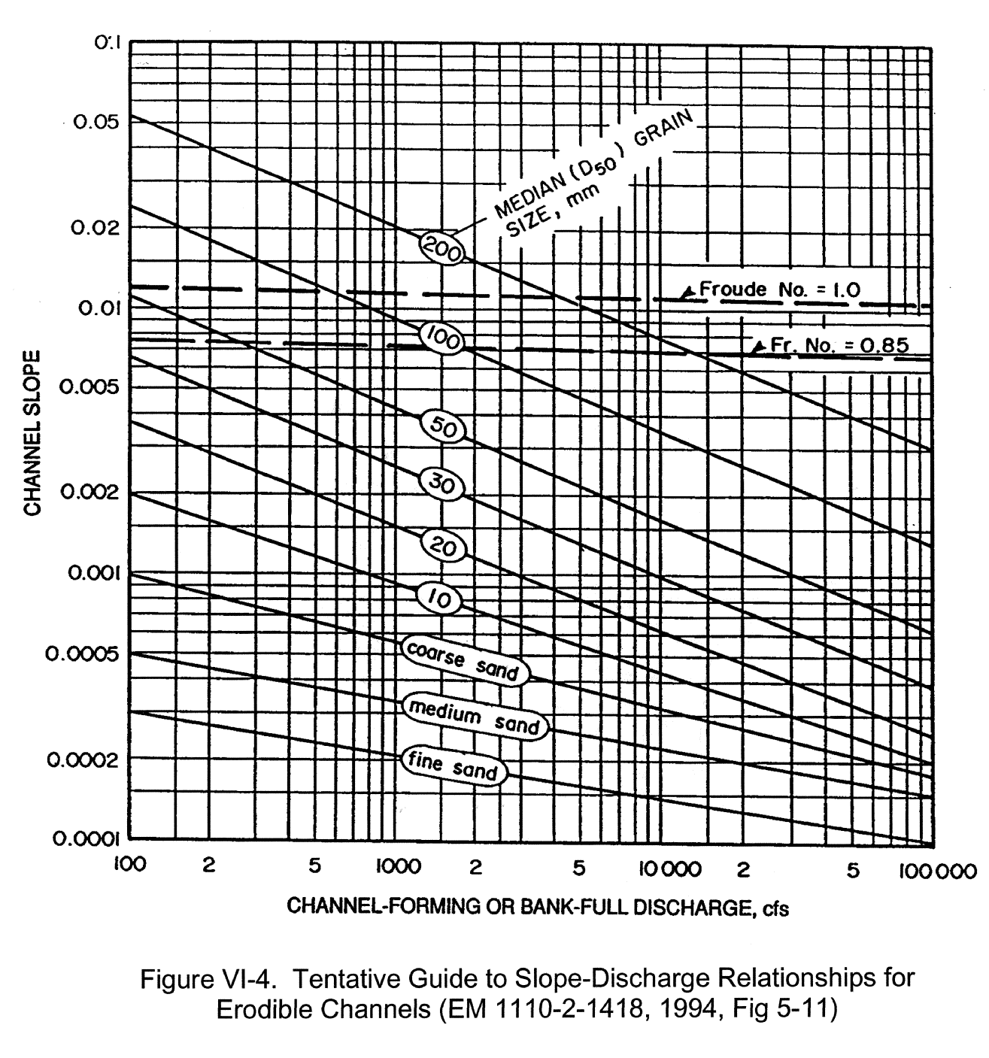

NeillCompVelChart
